Snowflake Datasource
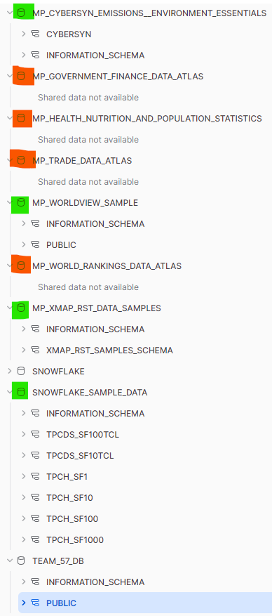
Database List | Availability | Description
MP_CYBERSYN_EMISSIONS__ENVIRONMENT_ESSENTIALS | Y
MP_WORLDVIEW_SAMPLE | Y
MP_XMAP_RST_DATA_SAMPLES | Y
SNOWFLAKE_SAMPLE_DATA | Y

Data Dict
SAMPLE1 |  |  | SAMPLE2 |  |  | SAMPLE3 |  |  | SAMPLE4
Column Name | New Column Name | Description | Column Name | New Column Name | Description | Column Name | New Column Name | Description | Column Name | New Column Name | Description
RESTAURANT_TITLE | NAME | Restaurant Name | NAME | NAME | Restaurant Name | TITLE |  | Restaurant Name | TITLE | NAME | Restaurant Name
RESTAURANT_ADDRESS | ADDRESS | Restaurant Address | ADDRESS | ADDRESS | Restaurant Address | ISCHAIN |  | Is restaurant chain (T/F) | TRACK_ID | - | ???Track format?
LAT | LAT | Latitude | LAT | LAT | Latitude | PHONENUMBER |  | Restaurant number | SORTING_SORTABLES | - | Sorting sortables
LNG | LNG | Longitude | LNG | LNG | Longitude | DELIVERYFEE |  | Delivery fee | VENUE_ADDRESS |  | Restaurant Address
PREFECTURE | PREFECTURE | Precfecture | PREFECTURE_NAME | PREFECTURE | Prefecture | PRICEBUCKET |  | Price indicator ($,$$,$$$,$$$$) | VENUE_BADGES | - | ignore
CITY | WARD | City - Ward | CITY_NAME | WARD | City - Ward | LATITUDE |  | Latitude | VENUE_DELIVERS |  | Provide delivery services (T/F)
DISTRICT | DISTRICT | District | CHOME_NAME | DISTRICT | District | LONGITUDE |  | Longitude | VENUE_DELIVERY_PRICE | - | Delivery price
AVG_RATING | AVG_RATING | Average rating (/5) | SCORE | AVG_RATING | Score (/5) | PREFECTURE |  | Precfecture | VENUE_DELIVERY_PRICE_INT | VENUE_DELIVERY_PRICE | Delivery price integer
TOTAL_REVIEWS | TOTAL_REVIEWS | Total Reviews | RVWCNT | TOTAL_REVIEWS | Reviewer Count | CITY |  | City | VENUE_ESTIMATE |  | ???
IS_HAS_DRINKS | HAS_DRINKS | Serves drinks at establishment | HAS_DRINKS | HAS_DRINKS | Has drinks (T/F, only T) | FORMATTEDADDRESS |  | Restaurant Address | VENUE_ESTIMATE_RANGE |  | ???
AVG_MEAL_PRICE | AVG_MEAL_PRICE | Average meal price | DINNER_MIN_PRICE | AVG_MEAL_PRICE | Dinner min. price | MENU_INFO |  | Dish info on menu | VENUE_LOCATION | LAT, LNG | Latitude & Longitude
AVG_SET_MENU_PRICE | AVG_SET_MENU_PRICE | Average set menu price | DINNER_MAX_PRICE |  | Dinner max. price | NUMBER_OF_ITEMS |  | No. of items on menu | VENUE_NAME | - | Restaurant Name
SHOP_INFO_DETAILS |  | Shop info details, working days and hours, payment mode etc | LUNCH_MIN_PRICE |  | Lunch min. price | AVG_MEAL_PRICE |  | Average price of meal | VENUE_ONLINE |  | ???
MENU_ITEMS |  | Menu items | LUNCH_MAX_PRICE |  | Lunch max. price | CATEGORY_1 |  | Food category | VENUE_PRICE_RANGE |  | Price indicator (/5)
NUM_OF_ITEMS | NUM_OF_ITEMS | Number of items on menu | BUSINESS_HOUR |  | Business hour | CATEGORY_2 |  | Food category | VENUE_RATING_RATING |  | Rating indicator (/5)
IS_FREE_SHIPPING |  | Has free shipping | COOKING |  | Types of cuisine and menu details | CATEGORY_3 |  | Food category | VENUE_RATING_SCORE |  | Rating score (/10)
DELIVERY_FEE |  | Delivery fee | RSTCAT |  | Food Category | CATEGORY_4 |  | Food category | VENUE_SHORT_DESCRIPTION |  | Restaurant short description
IS_POINTS_OR_COUPONS |  | Offers points/coupons | IS_CARD_ACCEPTED |  | Accept card payment (T/F) | CATEGORY_5 |  | Food category | VENUE_TAGS |  | Type of cuisine
AVG_BOTTLE_PRICE |  | Average bottle price | IS_ELECTRONICMONEY_ACCEPTED |  | Accept crypto ccy (T/F) | HAS_DRINKS |  | Serve drinks (T/F) | OVERLAY |  | ???
HAS_SET_MENU |  | Have a set menu | _STATUS |  | Restaurant status (open, close) | AVG_BOTTLE_PRICE |  | Average price of bottle | CITY |  | City
 |  |  | MENU_COUNT | NUM_OF_ITEMS | ??? Menu count | HAS_SET_MENU |  | Serves set menu (T/F) | SLUG | - | ???
SET_MENU |  | Items in set menu (if any) | HOLIDAY_ABSTRACT |  | Rest days/Holidays | SET_MENU |  | Set menu items
Tokyo
 |  |  | AWARDS |  | Awards won by restaurant | AVG_SET_MENU_PRICE |  | Average price of set menu
Entire Japan
 |  |  | COURSE |  | Buffet or not
 |  |  | IS_RESERVATION_POSSIBLE | RESERVATION_POSSIBLE | Allow reservation (T/F)
 |  |  | RESERVATION_POSSIBLE |  | Reservation arrangement (max no. of pax)
Do we want to split the menu items? |  |  | SMOKING |  | Smoking arrangement in restaurant

 |  |  | PARKING_AVAILABILITY |  | Has parking (0,1)
TRanslation: https://blog.crossjoin.co.uk/2021/02/21/implementing-data-as-well-as-metadata-translations-in-power-bi/ |  |  | HAS_AWARDS |  | Has award (T/F)
PowerBI Translation
https://www.youtube.com/watch?v=-PXzUPGcL2E

#import translation library import textblob from textblob import TextBlob #create a function for translation def translation(text): blob = TextBlob(text) return str(blob.translate(from_lang = 'ja', to= 'en')) dataset['translation'] = dataset['Address'].apply(translation) |  |  | LUNCH_SCORE | - | Ignore (all 0)
 |  |  | DINNER_SCORE | - | Ignore (all 0)
Get unique list of Restaurant Category from 1-4 |  |  | STATION_NAME |  | Nearest station (multiples)
Asssign unique Restaurant Category to 1 |  |  | FAMILY_FLAG |  | For Family (0,1)
 |  |  | FRIENDS_FLAG |  | For Friend (0,1)
 |  |  | ALONE_FLAG |  | For Self-dining (0,1)
 |  |  | DATE_FLAG |  | For Date/Party of 2 (0,1)
 |  |  | PARTY_FLAG |  | For Party (0,1)
 |  |  | GEOHASH_LVL_11 | - | Ignore (eg. xn76uzchef8)
 |  |  | H3_LVL_15 | - | Ignore (eg. 8f2f5a361c16360)
 |  |  | RESERVATION_NUM |  | Reservation number
 |  |  | RESERVATION_ABILITY |  | Reservation steps details
 |  |  | ACCESS |  | Directions to restaurant from nearest station

 |  |  | SPACE_EQUIPMENT |  | Restaurant sitting arrangement
 |  |  | CELLULAR |  | Mobile Service Provider (Wifi?)
 |  |  | DRINKS |  | Types of drinks
 |  |  | PRIVATE_ROOM |  | Private room arrangement
 |  |  | PAYMENT_METHOD |  | Payment methods (Card, cash etc)
 |  |  | SERVICE_CHARGE |  | Service charge calculation
 |  |  | HOLIDAY |  | Rest days/Holidays
 |  |  | USAGE_SCENE |  | Types of cliental
 |  |  | SERVICE |  | Types of service provided by restaurant
 |  |  | OPENING_DATE |  | Date of restaurant opening (Year + month)
 |  |  | CHILDREN_STATUS |  | Arrangement for children
 |  |  | DRESS_CODE |  | Dress code in restaurant
 |  |  | INQUIRY |  | Restaurant number for inquiry
 |  |  | MAX_NUM_PEOPLE_FOR_RESERVATION |  | Max no. of people for reservation
 |  |  | PHONE_NUM |  | Restaurant number for inquiry (2)
 |  |  | SEATS_NUM |  | No/ of seats in restaurant

 |  |  | IS_QR_ACCEPTED |  | Accept QR code payment (T/F)
 |  |  | SMOKING_STATUS |  | Smoking arrangement in restaurant
 |  |  | PARKING |  | Parking at restaurant details
 |  |  | PARKING_DESCRIPTION |  | Parking description detail
 |  |  | PARTITIONS_COUNT |  | ??? Partition count
 |  |  | DRINKS_NUM |  | No. of drinks
 |  |  | PRIVATE_ROOM_AVAILABILITY |  | Has private room (0,1)
 |  |  | PRIVATE_ROOM_DESCRIPTION |  | Private room arrangement

